Proprietary Notice
Proprietary Notice

General Terms:
Optum, Inc. and/or one of its subsidiaries or affiliates (“Optum”) is the owner/licensor of InterQual® Criteria Modules (the “Clinical Content” or the “Work”). Optum has prepared this Work for exclusive use of its licensees of software applications embodying the Clinical Content. This Work contains confidential and trade secret information of Optum and is provided to licensees who have an existing license agreement in force only under the time-limited license as provided under that license agreement. Licensee and any recipient shall use the Work in accordance with the terms and conditions of the license agreement.

Proprietary Notice:
The Work is protected under United States and international copyright and other intellectual property laws. If this Work is delivered pursuant to a federal government contract that requires the conveyance of rights in data to the government, it is understood that the Work, including commercial software, clinical content, third-party software, documentation and/or other technical data, was developed exclusively at Optum's private expense, and that Optum will convey only limited or restricted rights in the Work to the government consistent with the guidance set forth in the Federal Acquisition Regulation (“FAR”) and/or FAR Supplements. Conveyance of any additional rights beyond limited or restricted rights in the Work requires Optum’s express consent contained in a separate written agreement.

© 2013-2023 Optum, Inc. and/or one of its subsidiaries or affiliates. All rights reserved.

Acknowledgments and Disclaimer:
The Clinical Content is developed by Optum’s clinical research staff which includes physicians, registered nurses, and other healthcare professionals. Many of Optum's clinical staff hold advanced degrees and case management certification. The Clinical Content is reviewed and validated by a national panel of clinicians and medical experts, including those in community and academic practice settings, as well as within the managed care industry throughout the United States. The Clinical Content is a synthesis of evidence-based standards of care, current practices, and consensus from licensed specialists and/or primary care physicians.

The Clinical Content reflects clinical interpretations and analyses and cannot alone either resolve medical ambiguities of particular situations or provide the sole basis for definitive decisions. The Clinical Content is intended solely for use as screening guidelines with respect to the medical appropriateness of healthcare services and not for final clinical or payment determinations concerning the type or level of medical care provided, or proposed to be provided, to a patient.

THE WORK IS PROVIDED “AS IS.” OPTUM DISCLAIMS ANY OTHER WARRANTY, EXPRESS OR IMPLIED, INCLUDING AS TO MERCHANTABILITY AND FITNESS FOR A PARTICULAR PURPOSE OR SERVICE OF THE WORK, OR THE COMPATIBILITY OF OUTPUT USING THE WORK WITH ANY LAW, REGULATION, OR ORDER. IN NO EVENT SHALL OPTUM BE LIABLE FOR SPECIAL, INCIDENTAL, CONSEQUENTIAL, OR EXEMPLARY DAMAGES IN CONNECTION WITH, OR ARISING OUT OF, ANY USE OF THE WORK.

Trademarks:
InterQual® is a trademark of Optum, Inc. and/or one of its subsidiaries or affiliates. All other trademarks are the property of their respective owners.

Third Party Notices:
AMA CPT® Codes: The Work may incorporate the CPT® terminology developed and copyrighted by the American Medical Association (“AMA”). The CPT codes and terminology are provided pursuant to a license agreement between Optum and the AMA.

CPT copyright 2012-2022 American Medical Association. All rights reserved. Fee schedules, relative value units, conversion factors and/or related components are not assigned by the AMA, are not part of CPT, and the AMA is not recommending their use. The AMA does not directly or indirectly practice medicine or dispense medical services. The AMA assumes no liability for data contained or not contained herein. CPT is a registered trademark of the American Medical Association.

Applicable FARS/DFARS Restrictions Apply to Government Use.

U.S. Government Rights

CPT is commercial technical data, which was developed exclusively at private expense by the American Medical Association (AMA),330 North Wabash Avenue, Chicago, Illinois, 60611. The Federal Government is not granted a direct license to CPT based on FAR 52.227-14 (Data Rights-General) and DFARS 252.227-7015 (Technical Data – Commercial Items). Government End Users may receive the same commercial license granted to CHC’s other End Users.

BCBSA MPRM: The BCBSA Medical Policy Reference Manual (MPRM) is the proprietary and confidential information of Blue Cross Blue Shield Association. © 2001-2023 Blue Cross Blue Shield Association. All Rights Reserved. The MPRM content is licensed to Optum, Inc and/or one of its subsidiaries or affiliates.

NCCN Compendium: © National Comprehensive Cancer Network, Inc 2011-2023, All Rights Reserved. NATIONAL COMPREHENSIVE CANCER NETWORK®, NCCN®, NCCN GUIDELINES®, NCCN TEMPLATES®, and NCCN COMPENDIUM® are trademarks owned by the National Comprehensive Cancer Network, Inc.

RJ Health Systems: This product may include content from RJ Health Systems International, LLC, © RJ Health Systems International, LLC.

ASAM Criteria: The ASAM Criteria, Treatment Criteria for Addictive, Substance-Related, and Co-Occurring Conditions, Third Edition. Copyright © 2013 American Society of Addiction Medicine (ASAM).

ASAM Criteria: The ASAM Criteria, Treatment Criteria for Addictive, Substance-Related, and Co-Occurring Conditions, Fourth Edition. Copyright © 2023 American Society of Addiction Medicine (ASAM).

CDC HRQOL-14: Health-related quality of life survey, also known as the CDC HRQOL-14 or "Healthy Days Measures", is available in the public domain from the Centers for Disease Control and Prevention.

Edinburgh Postnatal depression scale: Cox, J.L., Holden, J.M., and Sagovsky, R. 1987. Detection of postnatal depression: Development of the 10-item Edinburgh Postnatal Depression Scale. British Journal of Psychiatry 150:782-786 .K. L. Wisner, B. L. Parry, C. M. Piontek, Postpartum Depression N Engl J Med vol. 347, No 3, July 18, 2002, 194-199

Katz Index of Independence in Activities of Daily Living Scale: Katz, S., Downs, T. D., Cash, H. R., & Grotz, R. C. (1970). “Progress in Development of the Index of ADL.” The Gerontologist, Vol. 10 (1 Part 1), 20-30. Reproduced with permission.

Lawton Brody Instrumental Activities of Daily Living Scale: Lawton, M. P. & Brody, E. M. (1969). “Assessment of Older People: Self-maintaining and Instrumental Activities of Daily Living.” The Gerontologist, Vol. 9 (3 Part 1), 179-186. Reproduced with permission.

MAHC-10 Tool: The Multi-Factorial Fall Risk Assessment Tool (MAHC-10) developed by the Missouri Alliance for Home Care (MAHC). Reproduced with permission.

Patient Health Questionnaire: Patient Health Questionnaire (PHQ-2 and PHQ-9) developed by Drs. Robert L. Spitzer, Janet B.W. Williams, Kurt Kroenke and colleagues, with an educational grant from Pfizer Inc. Reproduced with permission.

Six-Item Screener: Callahan CM, Unverzagt FW, Hui SL, Perkins AJ, Hendrie HC. (2002). Six-item screener to identify cognitive impairment among potential subjects for clinical research. Medical Care, 40(9), 771-781. Reproduced with permission.

Two Item Conjoint Screen (TICS): Brown, R. L., Leonard, T., Saunders, L. A. & Papasouliotis, O. (2001). A two-item conjoint screen for alcohol and other drug problems. J Am Board Fam Pract, 14, 95-106. Reproduced with permission.

Generalized Anxiety Disorder Screen (GAD-7): “A brief measure for assessing generalized anxiety disorder: the GAD-7”. Spitzer RL, Kroenke K, Williams JB, Löwe B. Arch Intern Med. 2006 May 22; 166)10):1092-7. Doi:10.1001/archinte/166/10/1092. PMID: 16717171. Reproduced with permission.

Third Party Calculators:

This Work includes links to the third party calculators (“calculators”) listed in the table below. These calculators are developed by third parties, not Optum. Optum provides the links to the sites that control these calculators solely as a convenience. Optum has no control over and shall not be responsible for and assumes no liability for the calculations produced by the calculators. For additional information on the calculators, contact the third parties in the table below.
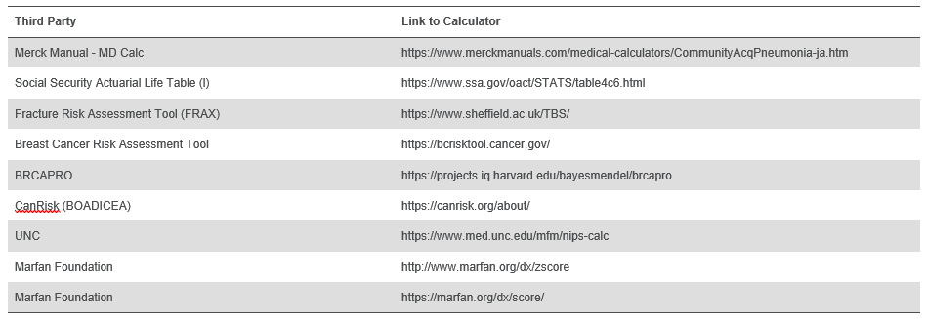

© 2024 Optum, Inc. All rights reserved.

